Figures
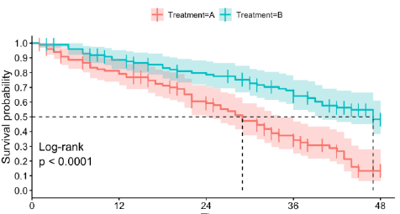
The underlying number of observations for each figure can be found in the file/tab ‘Underlying N for figures’

Figures
Figure 1: Bar chart/histogram

 | N (per bin)
"10-19" | 16
"20-29" | 75
"30-39" | 44
"40-49" | 40
"50-59" | 33
"60-69" | 43
"70-79" | 53
"80-89" | 87
"90-99" | 55

Figure 2: Scatter plot

 | Number of social contacts
12% | 35
78% | 76
58% | 65
34% | 54
28% | 67
28% | 45
40% | 34
62% | 24
75% | 22

Figure 3: Boxplot
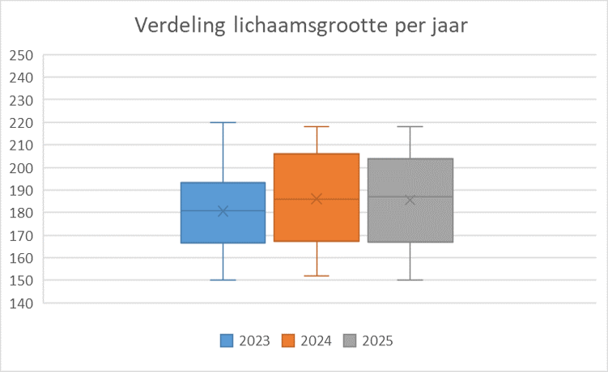

Figure 4: Kaplan-Meier/ Survival curve analyse

