Instructions
 | 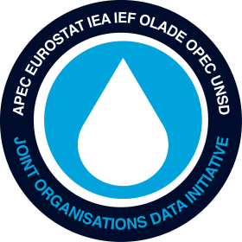
Joint Organisations Data Initiative
JODI OIL QUESTIONNAIRE

INSTRUCTIONS

Deadline for submission : 25th of each month | version 2021.1

The excel form includes one worksheet for JODI Oil and three worksheets for MOS tables
1. Please do not change the format of the excel forms
2. Please make sure that you indicate the correct data month in the cell for Month
3. Do not enter decimal numbers, but only include rounded numbers

Please either fill out worksheet JODI_Oil, or MOS Tables 1, 2 and 5 in this file.
If you choose to use the MOS Tables 1, 2 and 5 format, check this box:
and fill out the three worksheets "MOS_Tables".

When completed, please export the CSV file and upload it to E-VO | https://evo.iea.org
If you have other questions or wish more information, please contact
Stève Gervais at Tel : 33 1 4057 6525 or the MOS Team at Tel : 33 1 4057 6795 (mos@iea.org)

